1. Statistics
Statistics
Statistics is a branch of mathematics which deals with organization, calculation and interpretation of data. These measures that we calculate for the sample data are called as statistics.
As a convention population is represented by N and sample by n, we laraedy know this :)
Statistical data is of two types
Grouped and Ungrouped.
Ungrouped:
The ungrouped data has not been classified or has not been subdivided in the form of groups. This type of data is totally the raw data. Ungrouped data is just in the form of number list. It is the data collected in original form. We can say that ungrouped data is an array of numbers.
For example: The marks scored obtained by 20 students in an examination are as follows:
25, 37, 8, 40, 45, 29, 42, 12, 25, 16, 20, 36, 30, 33, 24, 24, 11, 35, 30, 45.
The shoe sizes of 10 people in a survey are:
8, 9, 9, 7, 10, 6, 7, 8, 9, 7
An ungrouped data can be converted into grouped data by noting down their frequencies and by rearranging them into class-intervals according to the requirement of the experiment. In these sesions and excel sheets, we are going to focus on ungrouped and grouped data. We shall study about the computation of basic statistical concepts, such as - mean, median, mode, standard deviation and variance, for ungrouped data.
Grouped:
The grouped data is the type of data which is subdivided into class intervals. Grouped data is not purely raw data. In fact, in grouped data, some analysis has been already done and it is classified.

2. Mean of ungrouped data
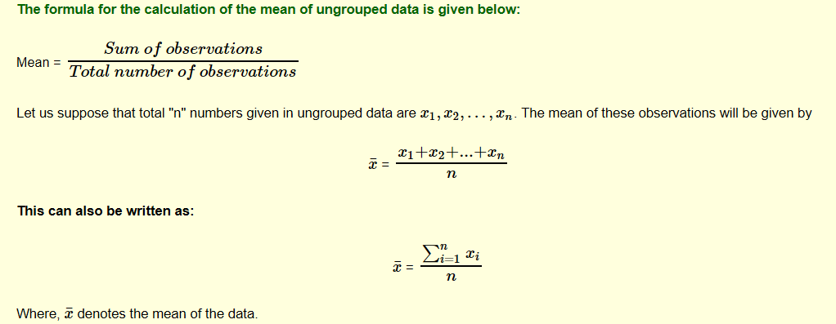
Mean of Ungrouped Data
The mean is defined as the average value of the data. It is the value that is representative of all the values in a data set. It is calculated arithmetically similar to the calculation of average. Thus, the mean is also known as arithmetic mean or average. The statistical mean of the ungrouped data can be found by finding by sum of the given values and dividing it by total number of values.
The mean is the most common and very first measuresof central tendency.
Note:
> Ungrouped data is usually a small distribution.
> The unit of mean is the same as the variable used in calculation. e.g the mean salary would also be in dollars.
> Mean is affected by missing values
> Mean is also affected by extreme values on both spectrum
Below formula is for a Sample data series.

4. Ungrouped data missing val
Note:
1. The mean values of a data are affected by the missing values, thus it is important to handle or treat the missing values, we would learn more about missing value treatment MVT(Missing values Treatment) in subsequent topics.
2. If there are missing values, the denomintaor should be adjusted accordingly, else the mean would be less as compared to original mean value.
3. The formula by default does not consider the missing values and gives the accurate result.
The mean of missing data generally shoots up as compraed to the mean of non missing data,denominator is now less.
Id | Salary
1 | 5943
2 | 3765
3
4 | 2383
5 | 6182
6 | 677
7
8 | 4040
9
10 | 8627
11 | 3851
12 | 5301
13 | 3363
14 | 7396
15 | 7869
Please calculate the mean of salary data

 | 3959.8 | 4949.75
 | Wrong approach | Formula

5. Mean of Means
The average of averages is not the average:
This is a common enough mistake for people working with databases and doing number crunching. It is only true if all of the averages are computed over sets having the same cardinality, otherwise it is false. In fancy terms, the average is not distributive though it is algebraic. This phenomenon has a name: the fact that the average of averages is not the average is an instance of Simpson’s Paradox.
Extra Bits :)
Cardinality: In SQL (Structured Query Language), the term cardinality refers to the uniqueness of data values contained in a particular column (attribute) of a database table. The lower the cardinality, the more duplicated elements in a column :)
1. Lurking variables
2. Change in the numeric variables can change result
Average of Averages

Population |  | Sample1 | Sample2 | Sample3
5 |  | 5 | 11 | 19
6 |  | 6 | 15 | 19
9 |  | 9 | 18 | 21
11 |  |  | 23 | 22
15
18 | 15.272727273 | 6.6666666667 | 16.75 | 20.25
19
19
21 |  |  | 14.555555556
22
23
Look above, the avearge of data series is more than that of theSamples, thus average of averages is not same as average.
When would the Average and Averages of Average in this scenario would be same ? :) :)

5.1 Mean of Means Solution
Average of Averages

Population |  | Sample1 | Sample2 | Sample3
5 |  | 5 | 11 | 19
6 |  | 6 | 15 | 19
9 |  | 9 | 18 | 21
11 |  | 99 | 23 | 22
15
18 | 22.25 | 29.75 | 16.75 | 20.25
19
19
21 |  |  | 22.25
22
23
The Averages would be same ifthe data distribution in the samples is same, it cnan be random, but the values need to equally distributed.
99

6. Mean in Python
**Using a self declared function, that use sum() and len()**;
def av_func(list):
return sum(list) / len(list)
amit = [15, 9, 55, 41, 35, 20, 62, 49]
av=av_func(amit)
av
OR using the statistics library/module for a list.
import statistics as st
data1 = [1, 3, 4, 5, 7, 9, 2]
x = st.mean(data1)
x

